PARTLIST
Item | Part Number | REV | Filename | Stock Number | Thumbnail | BOM Structure | Description | Material | Title | QTY | D | t | L
1 | 0000-710-001 | - | 2500-99-BG086-01-01.ipt |  | 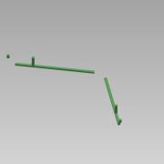 | Normal | PE100 Pipe - DN350-Ø355,0xSDR17 L=21346 | PE100 |  | 1 | 355,0 | 20,9 | 21346
2 | 0000-710-050 | - | Reducer - DN500-Ø500_DN350-Ø355 - SDR17.ipt |  | 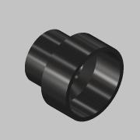 | Purchased | Reducer - DN500-Ø500_DN350-Ø355 - SDR17 | PE100 |  | 4
3 | 0000-710-031 | - | Elbow 90° Segmented - DN350-Ø355 - SDR17.ipt |  | 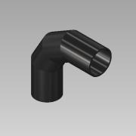 | Purchased | Elbow 90° Segmented - DN350-Ø355 - SDR17 | PE100 |  | 4 | 355,0 | 21
4 | 0000-710-010 | - | Stub end - DN350-Ø355 - SDR17 - PE100.ipt |  | 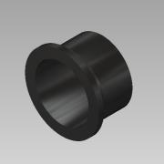 | Purchased | Stub end - DN350-Ø355 - SDR17 | PE100 |  | 8
5 | 0000-710-020 | - | Flange - DN350-Ø355 - PN10.ipt |  | 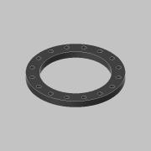 | Purchased | Flange - DN350/Ø355 - PN10 | PP |  | 8
6 | 0000-710-040 |  | Tee - DN350-Ø355 - SDR17.ipt |  | 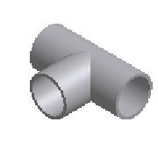 | Purchased | Tee - DN350-Ø355 - SDR17 | PE100 |  | 4 |  | 20,882 mm
7 | 0000-710-001 | - | 2500-99-BG086-01-02.ipt |  |  | Normal | PE100 Pipe - DN500-Ø500,0xSDR17 L=287954 | PE100 |  | 1 | 500,0 | 29,4 | 287954
8 | 0000-710-001 | - | 2500-04-SP009-01-01.ipt |  | 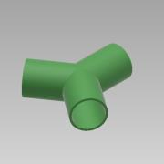 | Normal | PE100 Pipe - DN500-Ø500,0xSDR17 L=407 | PE100 |  | 2 | 500,0 | 29,4 | 407
9 | 0000-710-031 | - | Elbow 90° Segmented - DN500-Ø500 - SDR17.ipt |  | 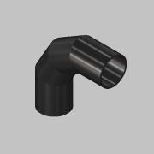 | Purchased | Elbow 90° Segmented - DN500-Ø500 - SDR17 | PE100 |  | 4 | 500,0 | 29
10 | 0000-710-010 | - | Stub end - DN500-Ø500 - SDR17 - PE100.ipt |  | 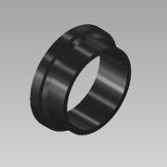 | Purchased | Stub end - DN500-Ø500 - SDR17 | PE100 |  | 2
11 | 0000-710-020 | - | Flange - DN500-Ø533 - PN10.ipt |  | 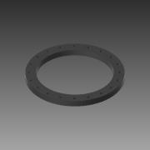 | Purchased | Flange - DN500/Ø533 - PN10 | PP |  | 2
12 | 0000-710-001 | - | 2500-99-BG087-01-01.ipt |  |  | Normal | PE100 Pipe - DN350-Ø355,0xSDR17 L=21416 | PE100 |  | 1 | 355,0 | 20,9 | 21416
13 | 0000-710-001 | - | 2500-99-BG087-01-02.ipt |  | 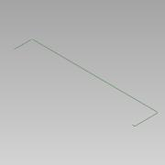 | Normal | PE100 Pipe - DN500-Ø500,0xSDR17 L=222153 | PE100 |  | 1 | 500,0 | 29,4 | 222153
16 | 0000-710-001 | - | 2500-99-BM001-01-01.ipt |  | 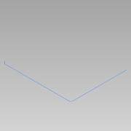 | Normal | PE100 Pipe - DN100-Ø125,0xSDR17 L=67350 | PE100 |  | 1 | 125,0 | 7,4 | 67350
17 | 0000-710-031 | - | Elbow 90° Segmented - DN100-Ø125 - SDR17.ipt |  | 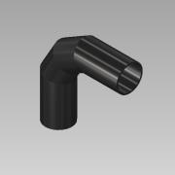 | Purchased | Elbow 90° Segmented - DN100-Ø125 - SDR17 | PE100 |  | 9 | 125,0 | 7,4 | 1
18 | 0000-710-031 | - | Elbow 45° Segmented - DN100-Ø125 - SDR17.ipt |  | 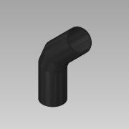 | Purchased | Elbow 45° Segmented - DN100-Ø125 - SDR17 | PE100 |  | 14 | 125,0 | 7,4 | 1
19 | 0000-710-010 |  | Stub end - DN100-Ø125 - SDR17 - PE100.ipt |  | 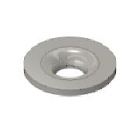 | Purchased | Stub end - DN100/Ø125 - SDR17 | PE100 |  | 9
20 | 0000-710-020 |  | Flange - DN100-Ø125 - PN10_16.ipt |  | 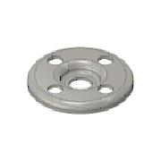 | Purchased | Flange - DN100/Ø125 - PN10/16 | PP |  | 9
21 | 0000-710-001 | - | 2500-99-BM002-01-01.ipt |  | 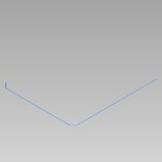 | Normal | PE100 Pipe - DN100-Ø125,0xSDR17 L=58118 | PE100 |  | 2 | 125,0 | 7,4 | 58118
22 | 0000-710-001 | - | 2500-99-BM003-01-01.ipt |  | 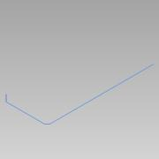 | Normal | PE100 Pipe - DN100-Ø125,0xSDR17 L=43404 | PE100 |  | 2 | 125,0 | 7,4 | 43404
23 | 0000-710-001 | - | 2500-99-BM004-01-01.ipt |  |  | Normal | PE100 Pipe - DN200-Ø225,0xSDR11 L=85411 | PE100 |  | 2 | 225,0 | 20,5 | 85411
24 | 0000-710-031 | - | Elbow 90° Segmented - DN200-Ø225 - SDR11.ipt |  | 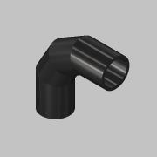 | Purchased | Elbow 90° Segmented - DN200-Ø225 - SDR11 | PE100 |  | 2 | 225,0 | 20
25 | 0000-710-031 | - | Elbow 45° Segmented - DN200-Ø225 - SDR11.ipt |  | 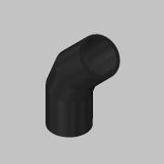 | Purchased | Elbow 45° Segmented - DN200-Ø225 - SDR11 | PE100 |  | 8 | 225,0 | 20 | 1
26 | 0000-710-010 |  | Stub end - DN200-Ø225 - SDR11 - PE100.ipt |  |  | Purchased | Stub end - DN200/Ø225 - SDR11 | PE100 |  | 2
27 | 0000-710-020 | - | Flange - DN200-Ø225 - PN10.ipt |  | 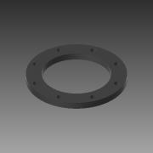 | Purchased | Flange - DN200/Ø225 - PN10 | PP |  | 2
28 | 0000-710-001 | - | 2500-99-BM027-01-01.ipt |  |  | Normal | PE100 Pipe - DN100-Ø125,0xSDR17 L=117526 | PE100 |  | 2 | 125,0 | 7,4 | 117526
29 | 0000-720-001 | - | 2500-99-HW097-01-01.ipt |  |  | Normal | Pipe-P235GH Welded - DN50-Ø60,3x2,9 L=115295 | CS 1.0345 - P235GH |  | 1 | 60,3 | 2,9 | 115295
30 | 0000-720-041 | - | T-Fitting-P235GH-Welded - DN150-DN50.ipt |  |  | Purchased | T-Fitting-P235GH-Welded - DN150-DN50 | CS 1.0345 - P235GH |  | 2 |  | 3,200 mm
31 | 0000-720-001 | - | 2500-99-HW097-02-01.ipt |  |  | Normal | Pipe-P235GH Welded - DN50-Ø60,3x2,9 L=114999 | CS 1.0345 - P235GH |  | 1 | 60,3 | 2,9 | 114999

